Landing Page
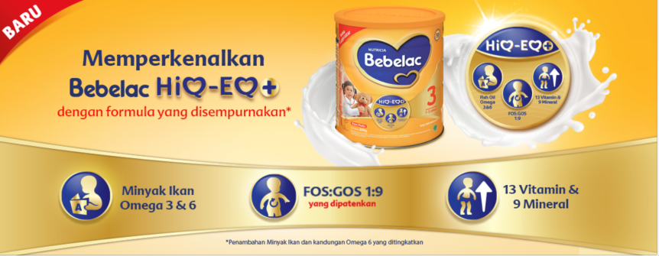
Banner Title

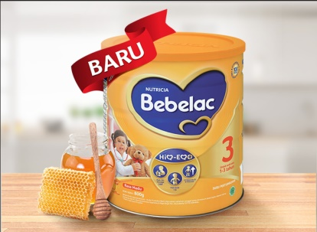
TVC MENYUSUL (26 - 27 March Estimasi URL ada) |  | https://www.orami.co.id/bp/bebelac-3

Wait for link TVC di youtube

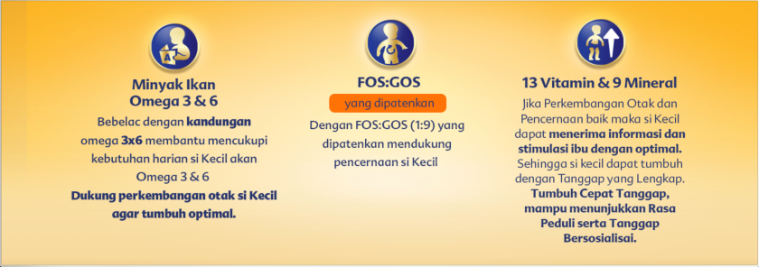
Non Clickable

https://www.orami.co.id/bp/bebelac | ID Category : 17261

